Hoja1
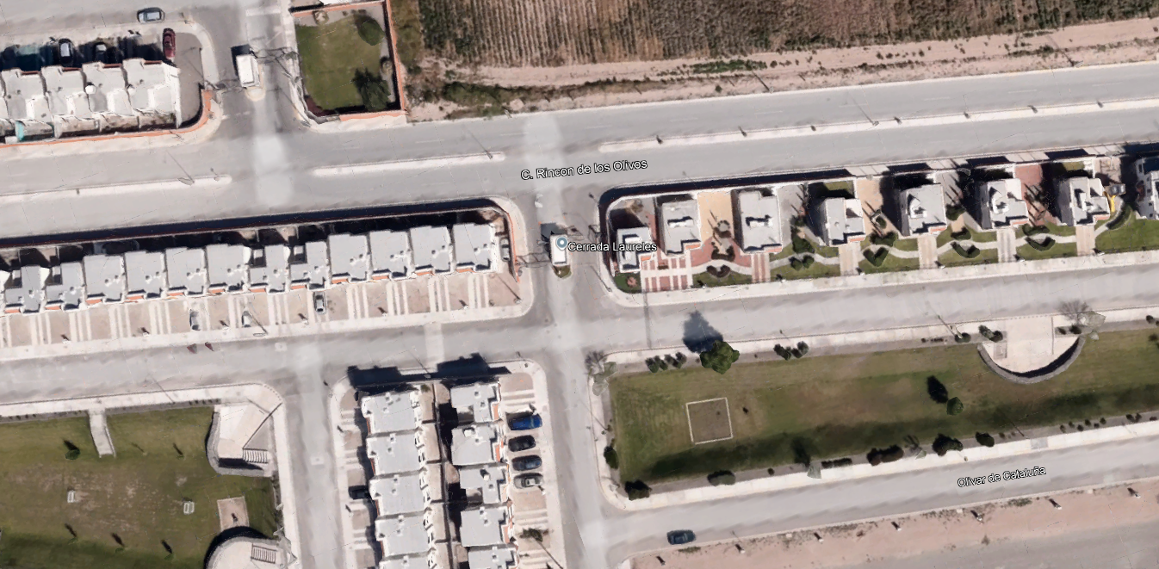
Hr/Mov | 1_E | 2_E | S_3 | S_4
 | A | A | A | A
6:45 AM - 7:00 AM | 5 | 0 | 0 | 29
1
7:00 AM - 7:15 AM | 6 | 1 | 0 | 33
7:15 AM - 7:30 AM | 5 | 0 | 2 | 29
4
7:30 AM - 7:45 AM | 6 | 1 | 1 | 36
3
TOTAL | 22 | 2 | 3 | 127
TOTALES | 24 |  | 130
2
C.RINCON DE LOS OLIVOS
Hr/Mov | 1_E | 2_E | S_3 | S_4
 | A | A | A | A
4:45 PM - 5:00 PM | 13 | 0 | 0 | 10
5:00 PM - 5:15 PM | 15 | 1 | 0 | 10
S
5:15 PM - 5:30 PM | 19 | 0 | 0 | 14
E
5:30 PM - 5:45 PM | 20 | 0 | 0 | 13
TOTAL | 67 | 1 | 0 | 47
TOTALES | 68 |  | 47

